Napapijri
 |  |  |  |  |  | Men |  | 39 | 40 | 41 |  | 42 |  | 43 | 44 | 45 | 46
 |  |  |  |  |  | Women | 36 | 37 | 38 |  | 39 | 40 | 41 | 42
Photo | SKU | Colour Description | Gender | WHS | RRP | Total | 6 | 6,5 | 7,5 | 8 | 8,5 | 9 | 9,5 | 10 | 11 | 11,5 | 12
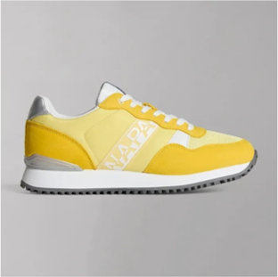 | NP0A4HKJYA7 | FREESIA YELLOW | Women | 48.00 € | 105.60 € | 6 |  |  | 1 |  | 2 | 2 | 1
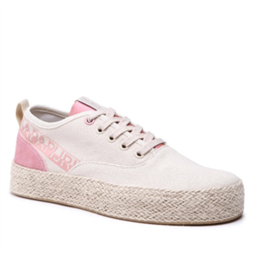 | NP0A4HKWNB4 | MINERAL BEIGE | Women | 52.80 € | 116.16 € | 9 | 2 |  | 1 |  | 2 | 4
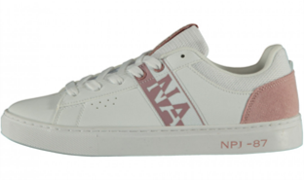 | NP0A4FKTCO002 | BRIGHT WHITE | Women | 43.20 € | 95.04 € | 5 | 5
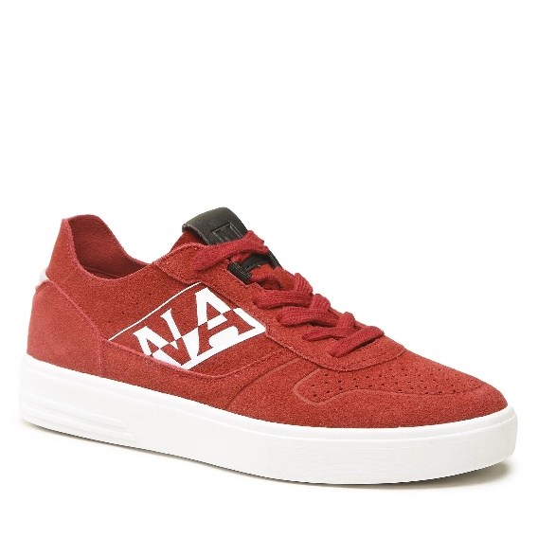 | NP0A4HL6R05 | RED CHERRY | Men | 62.40 € | 137.28 € | 105 |  |  | 3 | 9 |  | 18 |  | 27 | 24 | 12 | 12
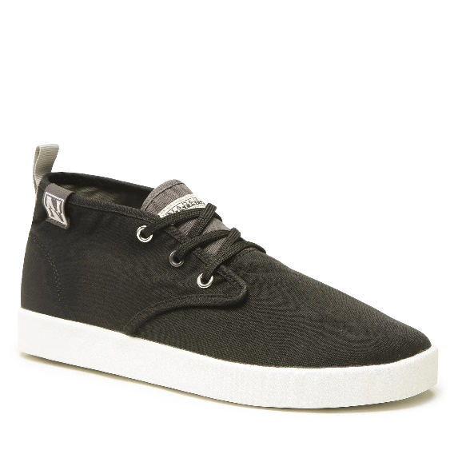 | NP0A4HLL041 | BLACK | Men | 48.00 € | 105.60 € | 103 |  |  | 7 | 14 |  | 23 |  | 25 | 19 | 11 | 4
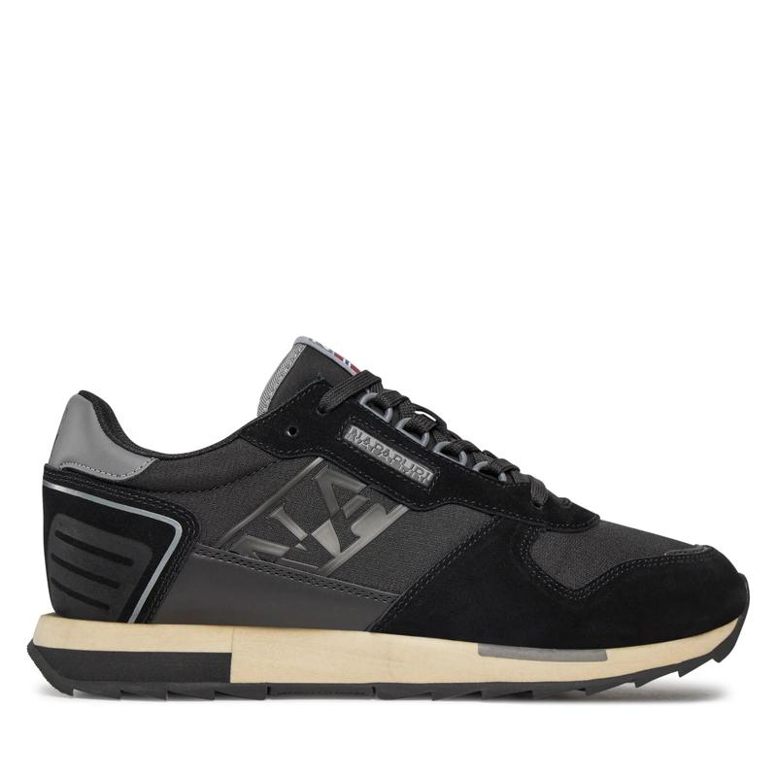 | NP0A4HVANS5 | WHITECAP GRAY | Men | 57.60 € | 126.72 € | 64 |  |  | 3 | 14 |  | 11 |  | 14 | 16 | 6
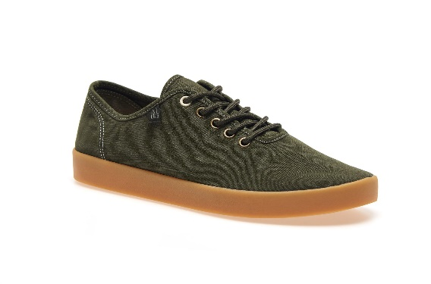 | NP0A4HLMGF2 | DARK OLIVE 2 | Men | 48.00 € | 105.60 € | 28 |  |  | 2 | 8 |  | 5 |  | 5 | 5 | 3
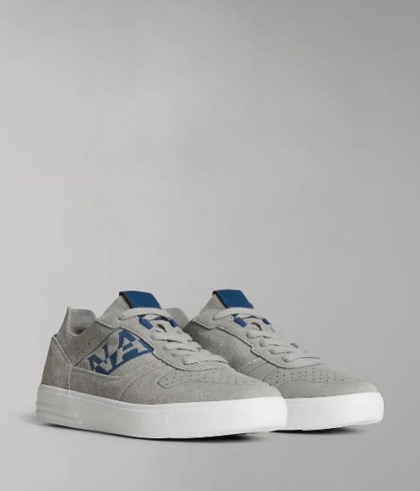 | NP0A4HL6HA1 | BLOCK GREY | Men | 62.40 € | 137.28 € | 6 |  |  |  | 1 |  | 1 |  | 1 | 1 | 2
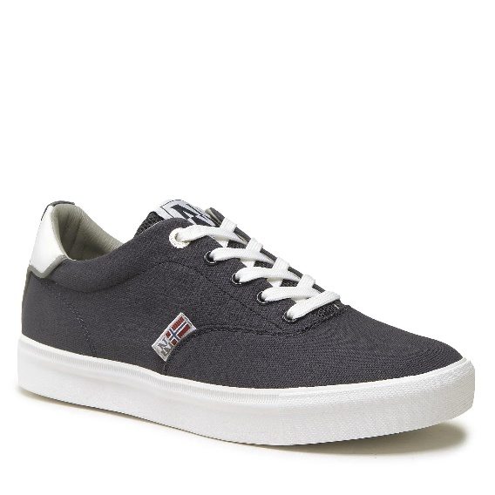 | NP0A4HLHB3A | BLUE MEDIEV | Men | 45.60 € | 100.32 € | 24 |  |  | 2 |  |  | 7 |  | 6 | 5 | 4
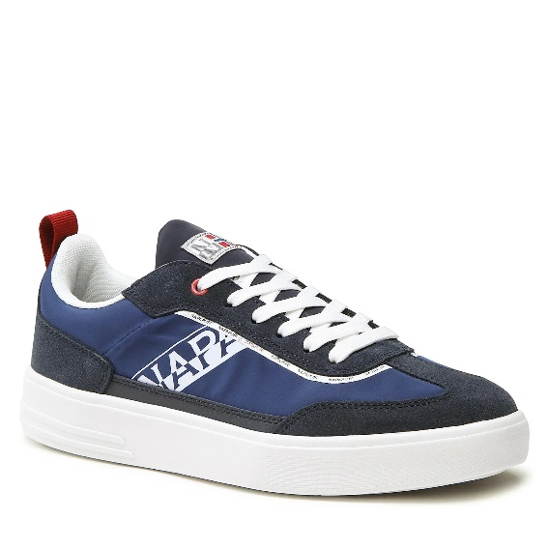 | NP0A4HKSB3A | BLUE MEDIEV | Men | 55.20 € | 121.44 € | 6 |  |  |  | 1 |  | 1 |  | 3 |  | 1
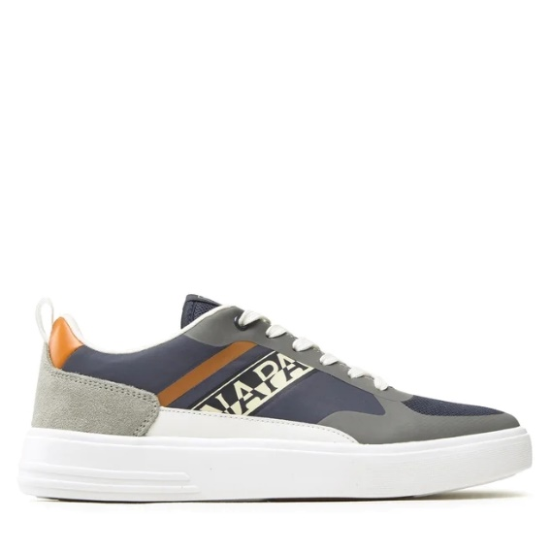 | NP0A4HKR01Y | NAVY/GREY | Men | 57.50 € | 126.50 € | 8 |  |  |  |  |  |  |  |  | 6 | 1 | 1
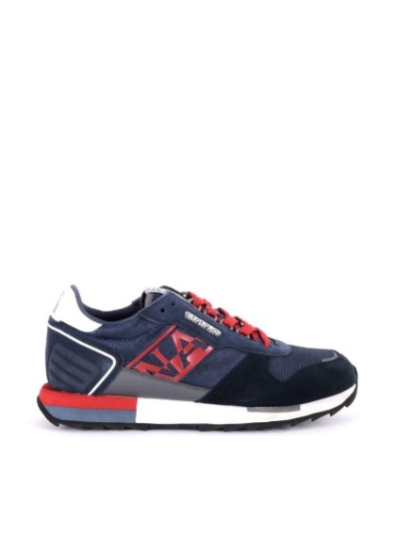 | NP0A4H6JCO176 | BLUE MARINE | Men | 57.60 € | 126.72 € | 36 |  |  |  |  |  | 21 |  |  | 15
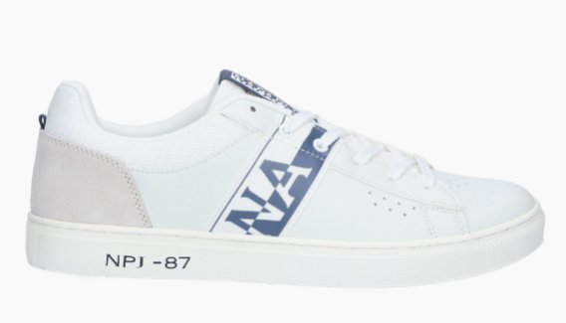 | NP0A4GTB01A | WHITE/NAVY | Men | 45.60 € | 100.32 € | 26 |  |  |  |  |  | 26
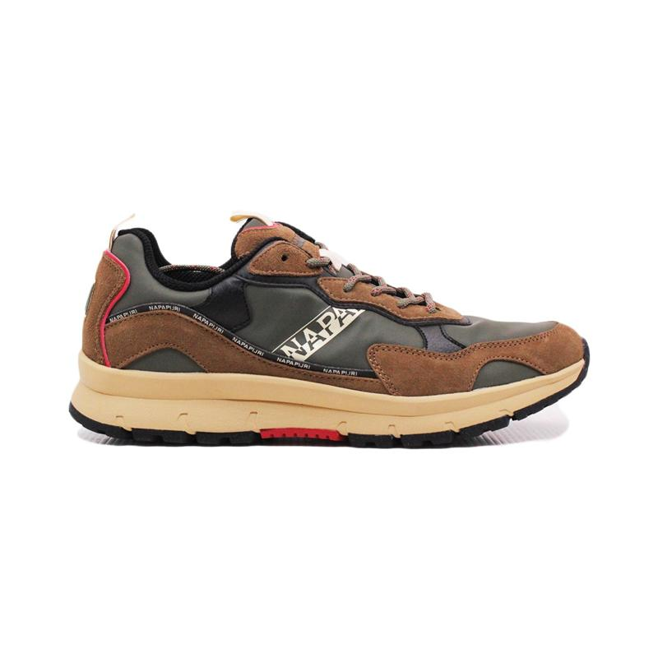 | NP0A4H7VCONBA | BEIGE/GREEN | Men | 60.00 € | 132.00 € | 14 |  |  |  |  |  | 14
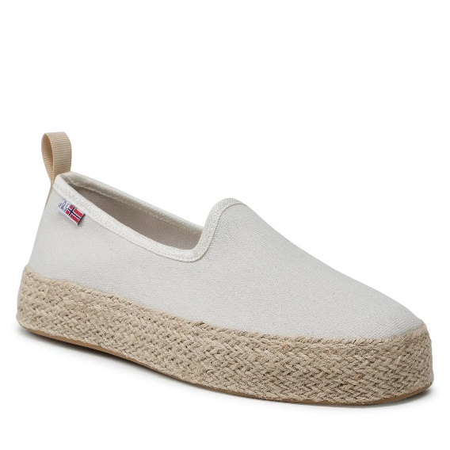 | NP0A4HKY002 | BRIGHT WHITE | Women | 48.00 € | 105.60 € | 103 | 9 | 18 | 25 |  | 28 | 17 | 6
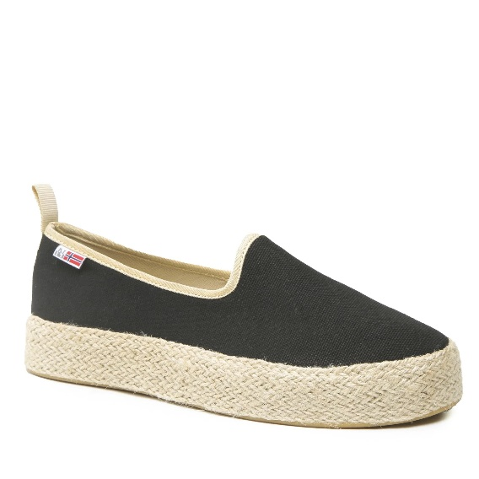 | NP0A4HKY041 | BLACK | Women | 48.00 € | 105.60 € | 91 | 11 | 15 | 22 |  | 21 | 14 | 8
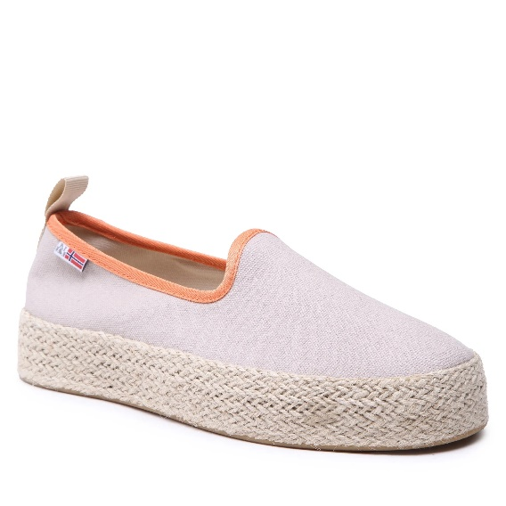 | NP0A4HKYNB7 | HUMUS BEIGE | Women | 48.00 € | 105.60 € | 103 | 10 | 18 | 24 |  | 25 | 17 | 9
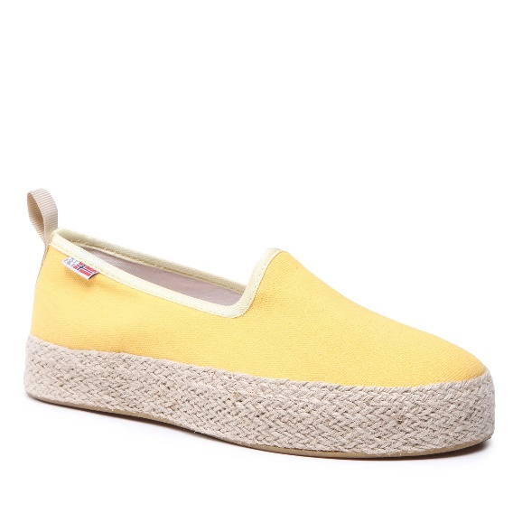 | NP0A4HKYYA7 | FREESIA YELLOW | Women | 48.00 € | 105.60 € | 90 | 6 | 13 | 24 |  | 24 | 14 | 9
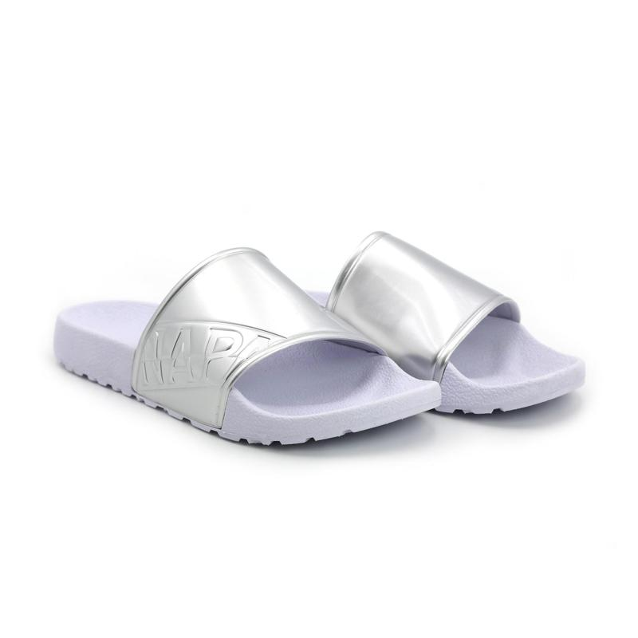 | NP0A4GUECOS00 | SILVER | Women | 20.07 € | 44.16 € | 221 | 12 | 29 | 48 |  | 57 | 44 | 25 | 6
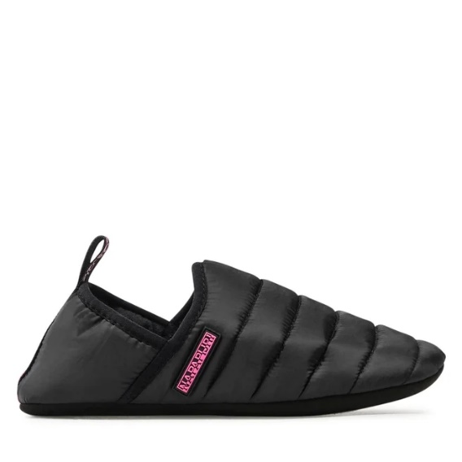 | NP0A4H77041 | BLACK | Women | 20.18 € | 44.40 € | 62 | 7 | 14 | 15 |  | 13 | 9 | 4
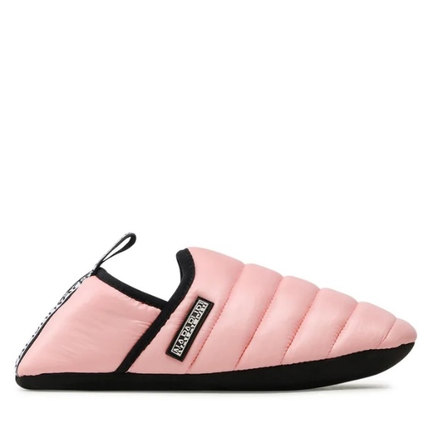 | NP0A4H77P77 | PALE PINK NEW | Women | 20.18 € | 44.40 € | 12 | 1 | 2 | 3 |  | 3 | 2 | 1
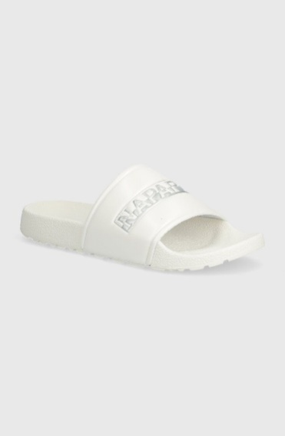 | NP0A4HL2CO002 | BRIGHT WHITE | Women | 20.07 € | 44.16 € | 9 | 3 | 3 | 3
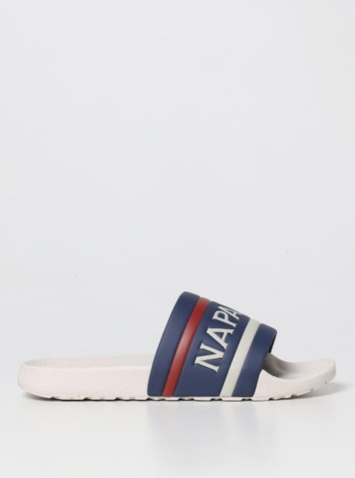 | NP0A4GTVCV01A | WHITE/NAVY | Men | 20.07 € | 44.16 € | 15 |  |  |  |  |  | 15
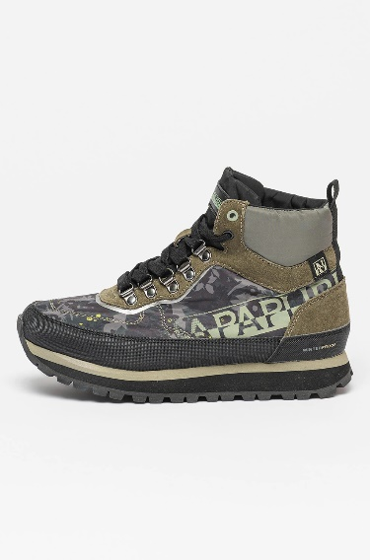 | NP0A4H76FL3 | FLOWER FTW | Women | 85.20 € | 187.44 € | 121 | 11 | 17 | 29 |  | 26 | 22 | 13 | 3
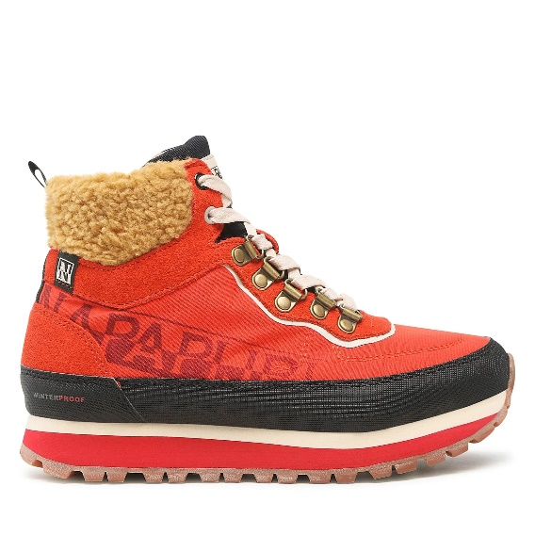 | NP0A4H7QRR9 | RED POPPY | Women | 90.00 € | 198.00 € | 107 | 10 | 15 | 28 |  | 23 | 16 | 14 | 1
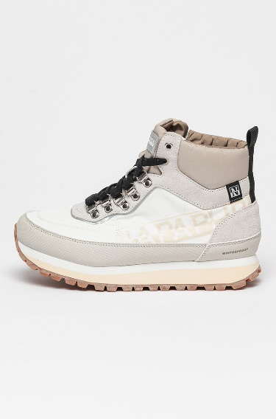 | NP0A4H7603D | WHITE/BEIGE | Women | 85.20 € | 187.44 € | 31 | 3 | 4 | 4 |  |  | 11 | 7 | 2
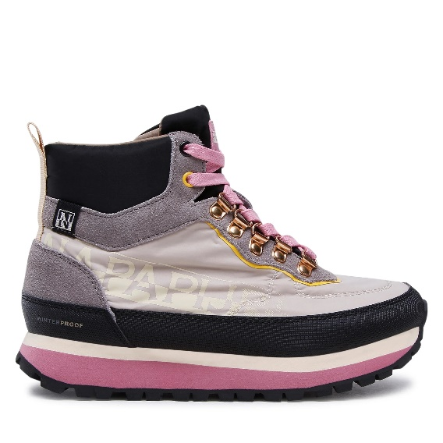 | NP0A4H76NBI | BEIGE STONE | Women | 85.20 € | 187.44 € | 134 | 10 | 32 | 34 |  | 29 | 20 | 9
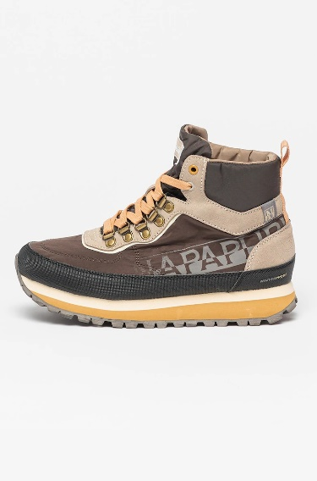 | NP0A4H76WA1 | RAINDRUM | Women | 85.20 € | 187.44 € | 64 | 5 | 15 | 15 |  | 17 | 11 | 1
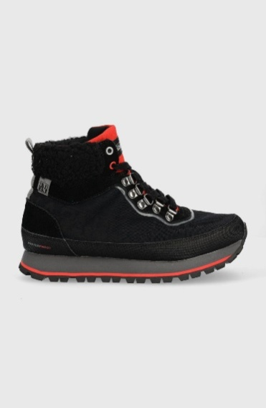 | NP0A4H7Q041 | BLACK | Women | 90.00 € | 198.00 € | 8 | 1 | 1 | 2 |  | 2 | 1 | 1
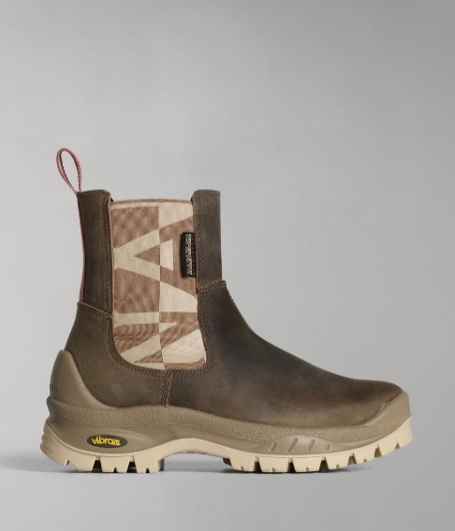 | NP0A4H7BZ28 | TAUPE | Women | 93.38 € | 205.43 € | 109 | 11 | 18 | 27 |  | 28 | 19 | 6
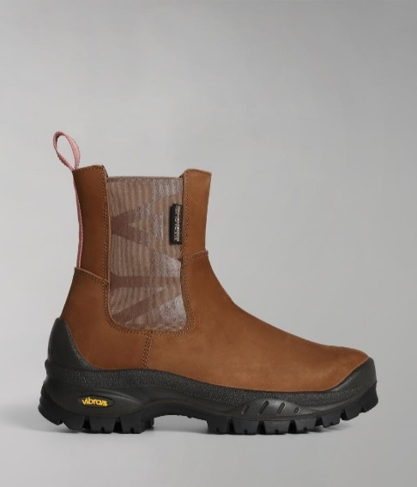 | NP0A4H7NNC1 | GOLDEN BROWN | Women | 93.38 € | 205.43 € | 89 | 16 | 19 | 23 |  | 20 | 10 | 1
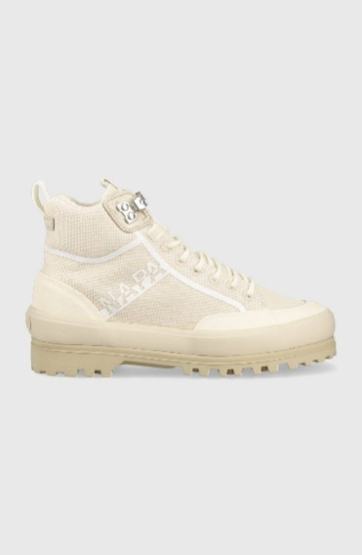 | NP0A4HMDNB4 | MINERAL BEIGE | Women | 84.55 € | 186.00 € | 251 | 42 | 42 | 42 |  | 42 | 42 | 41
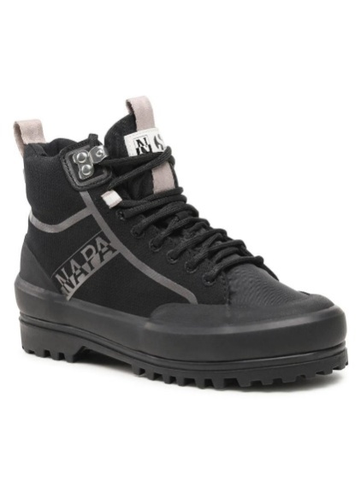 | NP0A4HMDZ02 | BLACK/GREY | Women | 84.55 € | 186.00 € | 258 | 43 | 43 | 43 |  | 43 | 43 | 43
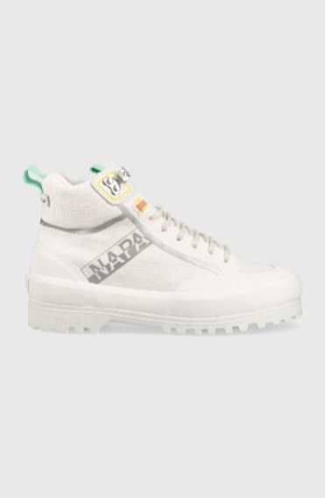 | NP0A4HMD002 | BRIGHT WHITE | Women | 84.55 € | 186.00 € | 270 | 45 | 45 | 90 |  | 45 | 45
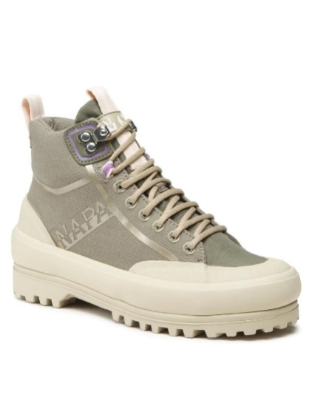 | NP0A4HMDGAE | GREEN LICHEN | Women | 84.55 € | 186.00 € | 258 | 42 | 43 | 86 |  | 43 | 44
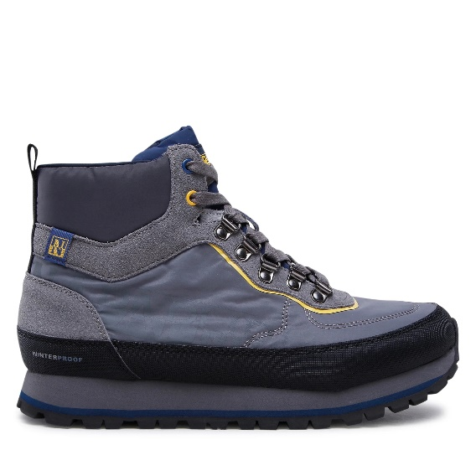 | NP0A4H71Z86 | GREY | Men | 87.60 € | 192.72 € | 105 |  |  | 8 | 16 |  | 25 |  | 22 | 18 | 14 | 2
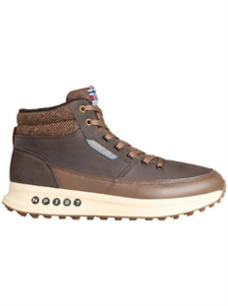 | NP0A4HVFWA1 | RAINDRUM | Men | 69.60 € | 153.12 € | 28 |  |  |  | 4 |  | 4 |  | 9 | 7 | 2 | 2
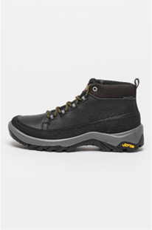 | NP0A4H72041 | BLACK | Men | 99.60 € | 219.12 € | 10 |  |  | 1 |  |  | 3 |  | 4 | 2
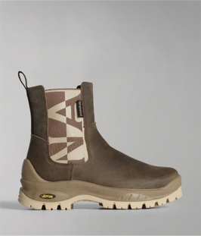 | NP0A4H73Z28 | TAUPE | Men | 99.60 € | 219.12 € | 16 |  |  |  |  |  |  |  |  | 5 | 6 | 5
 |  |  |  |  |  | 2641

